1. Title Page
[Instacart Grocery Basket Analysis]

Project Name: Instacart Grocery Basket Analysis
Date:3/8/2024
Analyst Name:

Contents:
Population Flow
Consistency checks
Wrangling steps
Column derivations
Visualizations
Recommendations

Citations:
1. The Instacart Online Grocery Shopping Dataset 2017, Accessed from www.instacart.com/datasets/grocery-shopping-2017 via Kaggle on 18-02-2024.
2. Data on customers and the "prices" column in the 'products' dataset were fabricated for the purpose of this analysis.

2. Population Flow
Title page

Population flow

Orders_products_combined
Orders_products_merged
Orders_products_all

Total: 32404859
Total: 32434489
Total: : 32404859

3. Consistency checks
 |  |  |  | Title page
Consistency checks

Dataset | Missing values | Missing values treatment | Duplicates
orders | 206209 missing values for days since prior day collumn | No actions where taken. Since there where no days before the first buy. | No duplicates
products | No missing values | N/A | 5 deleted duplicates
orders_products_prior | No missing values | N/A | No duplicates
customers | No missing values | N/A | No duplicates

4. Wrangling steps
 |  |  |  |  | Title page
Wrangling steps

Dataset | Columns dropped | Columns renamed | Columns' type changed | Comment/Reason
orders | eval_set | order_dow | orders_id, user_id
products | No columns drop
orders_products_prior | No columns drop
customers | No columns drop | Surnam, fam_status, STATE, First Name, Gender |  | Changing all leters to small
orders_products_combined | _merge

5. Column derivations
 |  |  |  | Title page

Column derivations and aggregations

In this tab you should add tables below that the frequences of flags/label variables that you produced after deriving them. NB: don't do this for continuous variables, only for flags.
Dataset | New column | Column/s it was derived from | Conditions
order_product_merge | price _range , busiest days loyalty_flag, spending_flag frequency_Flag, max order | Prices, order hour of day, order days of week, user id and number of orders , max order and user id | ords_prods_merge.loc[ords_prods_merge['prices'] > 15, 'price_range_loc'] = 'High-range product' ords_prods_merge.loc[(ords_prods_merge['prices'] <= 15) & (df['prices'] > 5), 'price_range_loc'] = 'Mid-range product' ords_prods_merge.loc[ords_prods_merge['prices'] <= 5, 'price_range_loc'] = 'Low-range product' "for value in ords_prods_merge[""orders_day_of_week""]: if value == 0: result.append(""Busiest day"") elif value == 4: result.append(""Least busy"") else: result.append(""Regularly busy"")" "for value in ords_prods_merge[""orders_day_of_week""]: if value == 0 or value == 1: result_2.append(""Busiest days"") elif value == 3 or value == 4: result_2.append(""slowest_days"") else: result_2.append(""Regularly busy"")" "for value in ords_prods_merge[""order_hour_of_day""]: if value in [10, 11, 14, 15, 13, 12, 16, 9]: result_3.append(""most_orders"") elif value in [17, 8, 18, 19, 20, 7, 21, 22]: result_3.append(""average_orders"") else: result_3.append(""fewest_orders"")" ords_prods_merge['max_order'] = ords_prods_merge.groupby(['user_id'])['number_of_orders'].transform(np.max) "ords_prods_merge.loc[ords_prods_merge['max_order'] > 40, 'loyalty_flag'] = 'Loyal customer' ords_prods_merge.loc[(ords_prods_merge['max_order'] <= 40) & (ords_prods_merge['max_order'] > 10), 'loyalty_flag'] = 'Regular customer' ords_prods_merge.loc[ords_prods_merge['max_order'] <= 10, 'loyalty_flag'] = 'New customer'"
ords_prods_customers | region, customer profiling, age group, income group | state, age, income | x

6. Visualizations
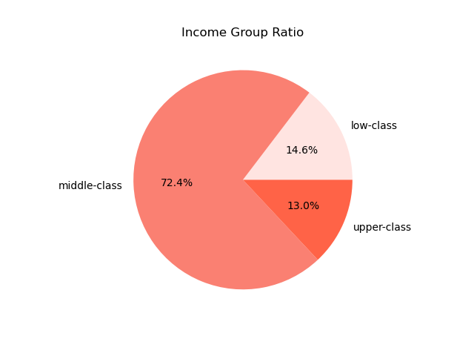
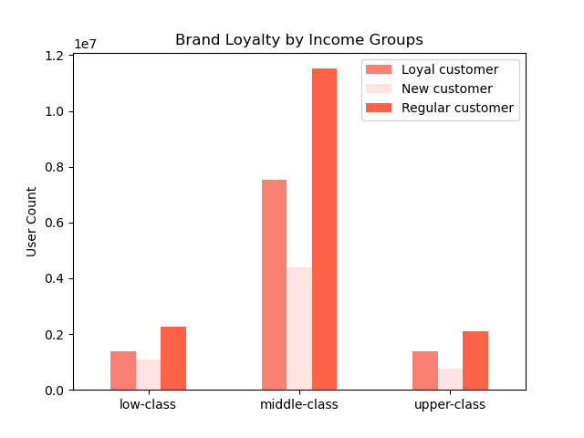
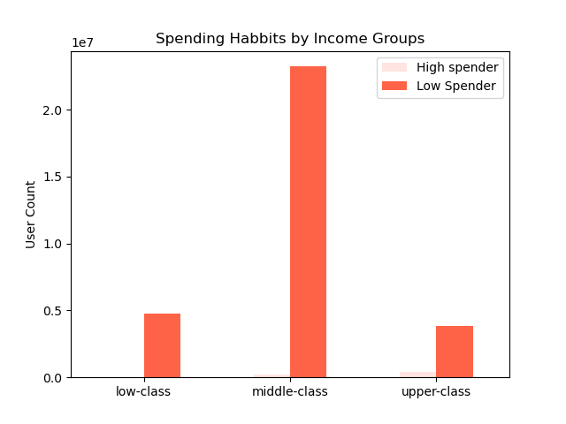
 |  | Title page

Visualisations

 | The busiest days of the week and the busiest hours of the day the busiest days of the week and hours of the day



 | The particular times of the day when people spend the most money
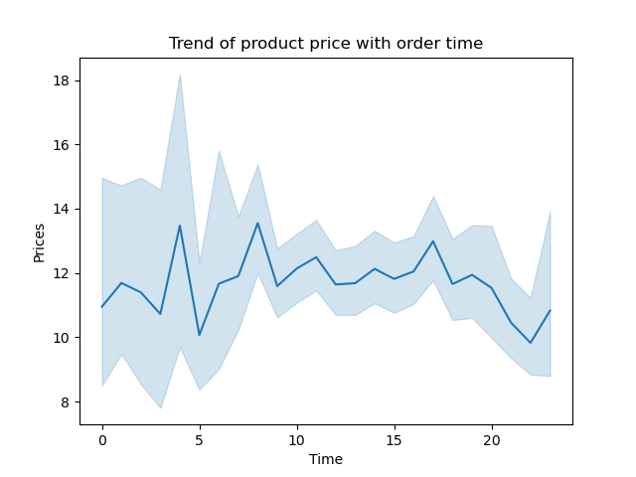
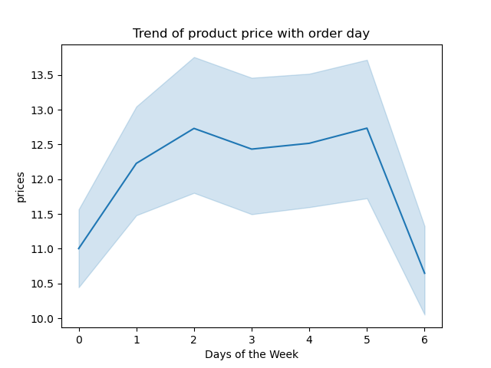

Price Range Grouping
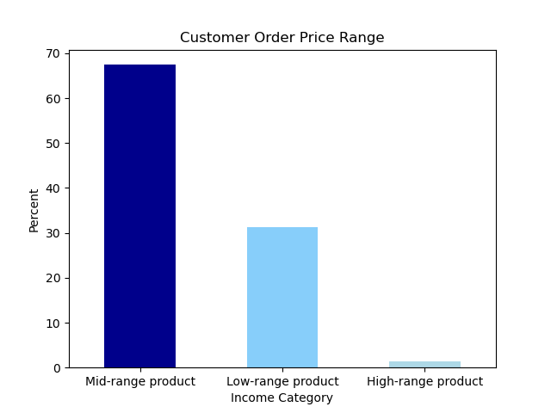

The departments have the highest frequency of product orders

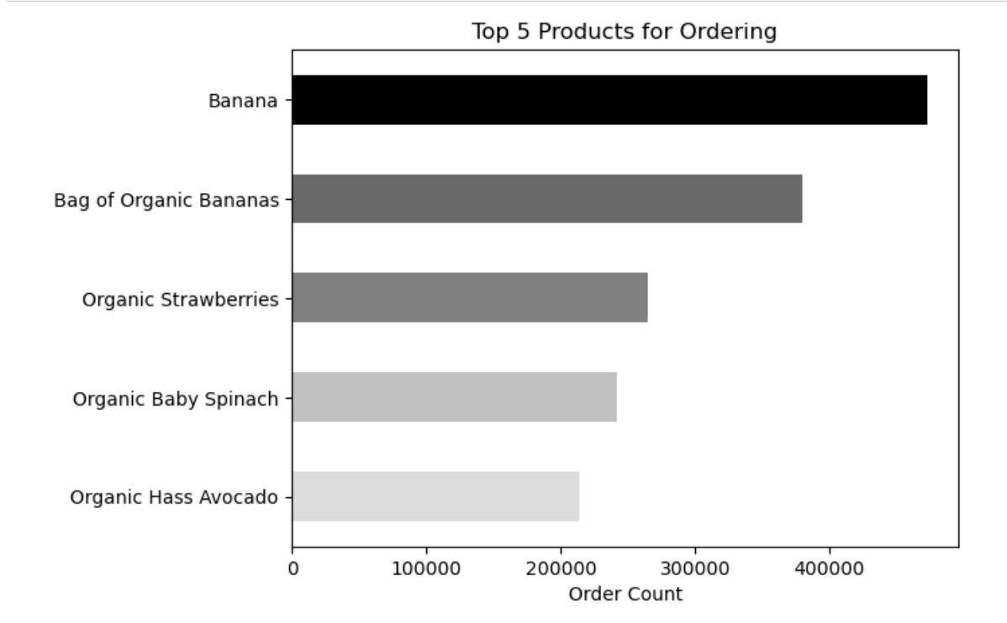
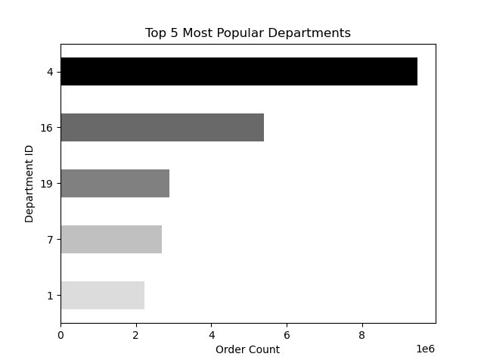

The distribution of brand loyalty

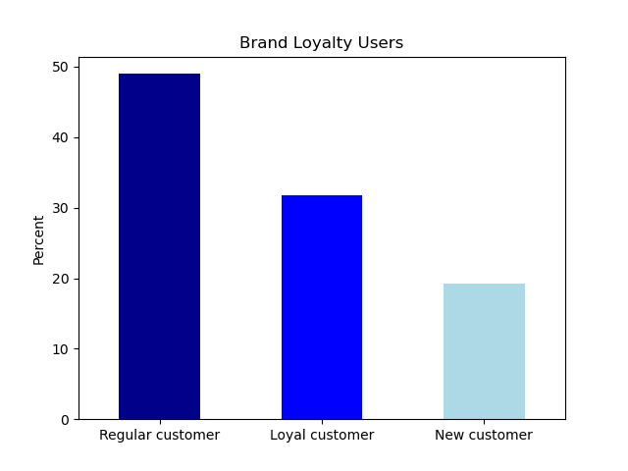

The ordering habbits base on customer loyalty status

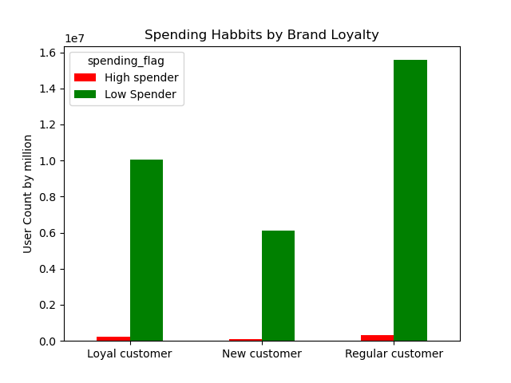

The ordering habbits base on customer region
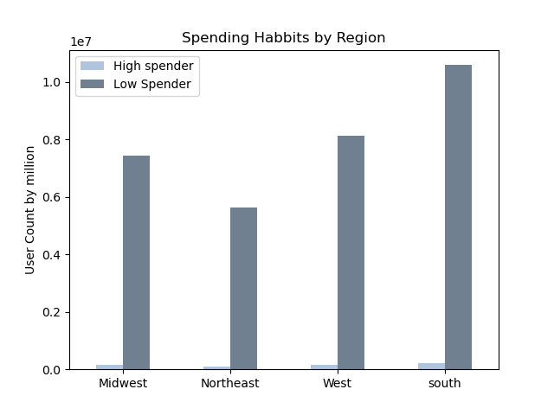
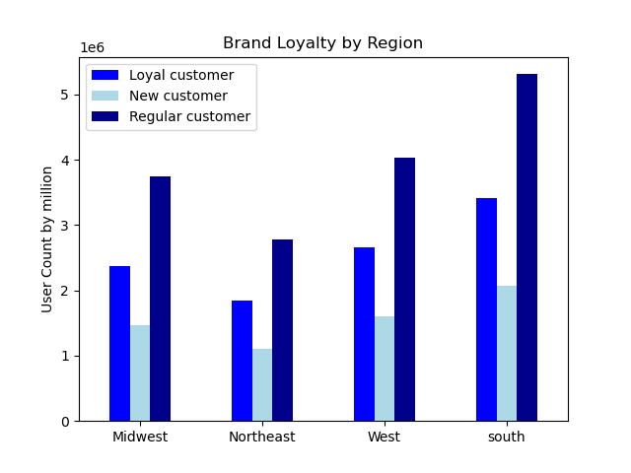

The ordering habbits base on age
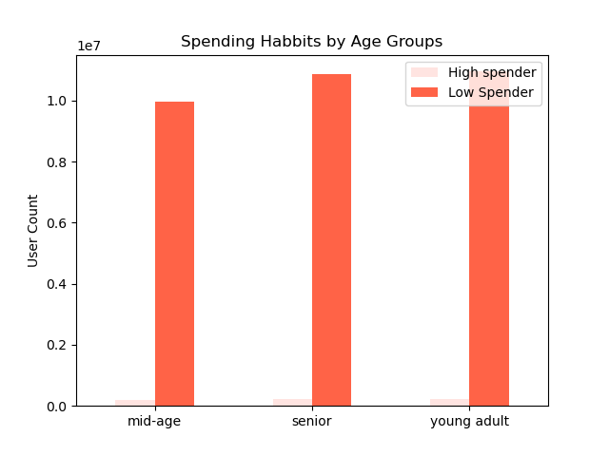
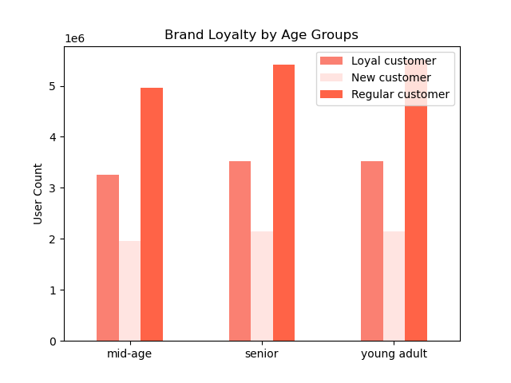

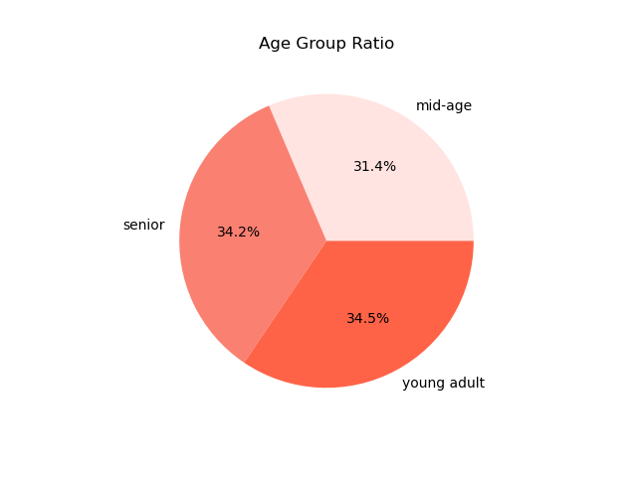

The ordering habbits base on income information

